Sheet1
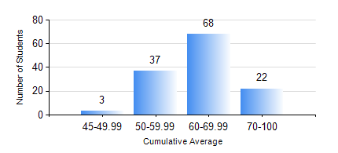
 |  |  | KWAME NKRUMAH UNIVERSITY OF SCIENCE AND TECHNOLOGY, KUMASI Department of Geomatic Engineering

 |  |  | BSC. GEOMATIC ENG.

 |  |  | COMPREHENSIVE RECORD OF EXAMINATION RESULTS

 |  |  | RESULTS OF YEAR 3 SECOND SEMESTER, 2020/2021 ACADEMIC YEAR

 | Sn | Course Code |  | Course Name | Credit Hours | Min. Mark | Max. Mark | Avg. Mark | Std. Dev. | No. Passed | No. Trailed | No. (Df) | No. (I) | No. (I*) | No. Tagged(I,I*,Df) | Total
 | 1. | CE 368 |  | TRANSPORTATION AND HIGHWAY II | 3 | 22 | 91 | 60 | 14.65 | 125 | 4 | 0 | 1 | 0 | 1 | 130
 | 2. | CSM 158 |  | ACCOUNTING II | 2 | 48 | 94 | 77 | 9.61 | 25 | 0 | 0 | 0 | 0 | 0 | 25
 | 3. | ECON 152 |  | ELEMENTS OF ECONOMICS II | 2 | 57 | 82 | 71 | 7.68 | 16 | 0 | 0 | 0 | 0 | 0 | 16
 | 4. | FREN 182 |  | FRENCH FOR COMMUNICATION II | 2 | 26 | 88 | 65 | 11.32 | 88 | 1 | 0 | 0 | 0 | 0 | 89
 | 5. | GE 354 |  | SATELLITE SURVEYING | 3 | 24 | 77 | 57 | 10.29 | 125 | 5 | 0 | 0 | 0 | 0 | 130
 | 6. | GE 362 |  | PRINCIPLES OF GIS | 3 | 46 | 87 | 71 | 9.09 | 130 | 0 | 0 | 0 | 0 | 0 | 130
 | 7. | GE 372 |  | ANALYSIS OF ERRORS | 3 | 5 | 90 | 46 | 15.56 | 95 | 35 | 0 | 0 | 0 | 0 | 130
 | 8. | GE 392 |  | PRACTICAL TASK III | 3 | 47 | 85 | 69 | 7.98 | 128 | 0 | 1 | 1 | 0 | 2 | 130
 | 9. | PL 251/2 |  | PLANNING THE PHYSICAL ENVIRONMENT | 2 | 42 | 86 | 63 | 7.4 | 130 | 0 | 0 | 0 | 0 | 0 | 130

